Triangle - superDSG
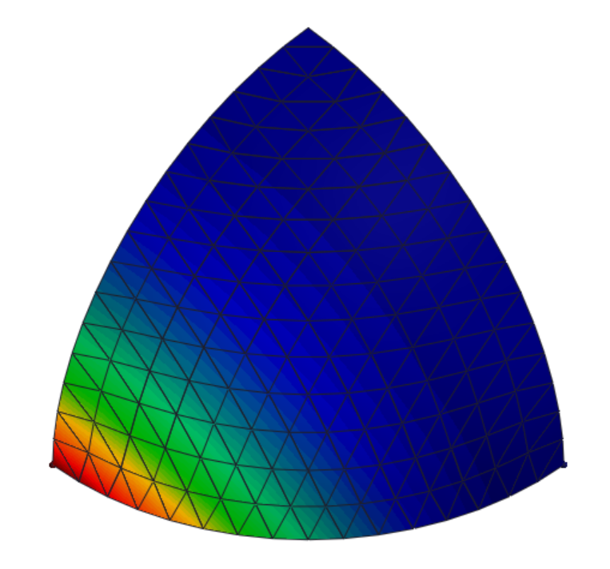
Scordelis Lo Roof structured mesh
All done with corotated formulation
Reference solution |  |  | -0.3024 |  |  |  |  | Percentage of reference
Refinement level | Nodes | Elements | Original DSG | superDSG (+bubble) | superDSG (-bubble) | superDSG(recon.) | Ref | Original DSG | superDSG (+bubble) | superDSG (-bubble) | superDSG(recon.) | Ref
1 |  | 64 | -0.26028 | -0.29331068373 | -0.28755178097 | -0.22247138327 | -0.3024 | 86.07% | 96.99% | 95.09% | 73.57% | 100.00%
2 |  | 256 | -0.28413 | -0.28034824133 | -0.27591180249 | -0.24646443754 | -0.3024 | 93.96% | 92.71% | 91.24% | 81.50% | 100.00%
2_5 |  | 560 | -0.29569 | -0.15858594571 | -0.16630131436 | -0.20460902456 | -0.3024 | 97.78% | 52.44% | 54.99% | 67.66% | 100.00%
3 |  | 1024 | -0.29668 | -0.27656595312 | -0.26615117491 | -0.26458723442 | -0.3024 | 98.11% | 91.46% | 88.01% | 87.50% | 100.00%
Scordelis Lo Roof structured mesh

 |  |  |  |  |  |  |  |  |  | Typical mesh |  |  | Mesh 560 elements
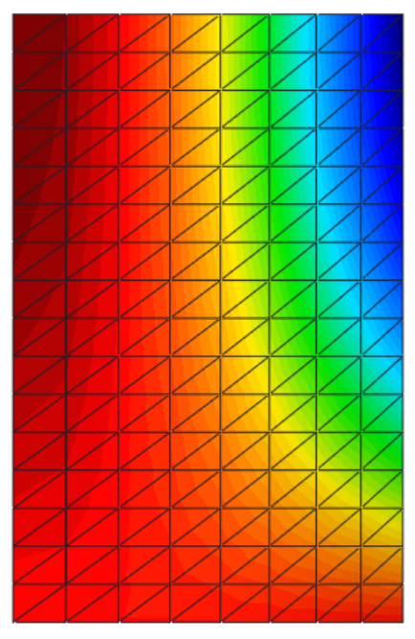
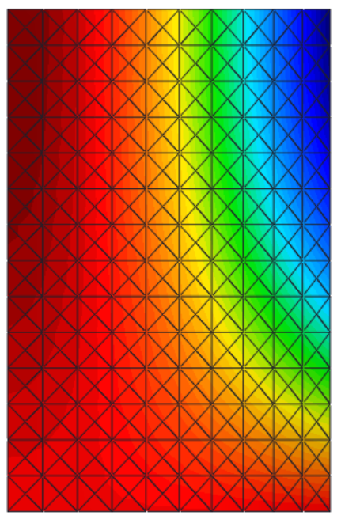

Pinched Hemisphere
All done with corotated formulation
Reference solution |  |  | 0.0924 |  |  |  |  | Percentage of reference
Refinement level | Nodes | Elements | Original DSG | superDSG (+bubble) | superDSG (-bubble) | superDSG(recon.) | Ref | Original DSG | superDSG (+bubble) | superDSG (-bubble) | superDSG(recon.) | Ref
1 |  | 64 | 0.0887 | 0.0960 | 0.0892 | 0.0697 | 0.0924 | 96.03% | 103.85% | 96.52% | 75.38% | 100.00%
2 |  | 256 | 0.0905 | 0.0730 | 0.0693 | 0.0713 | 0.0924 | 97.96% | 79.00% | 74.98% | 77.17% | 100.00%
3 |  | 1024 | 0.0906 | 0.0469 | 0.0415 | 0.0728 | 0.0924 | 98.08% | 50.81% | 44.93% | 78.79% | 100.00%
4 |  | 1600 | 0.0898 | 0.0376 | 0.0324 | 0.0728 | 0.0924 | 97.17% | 40.67% | 35.11% | 78.82% | 100.00%

Pinched Hemisphere
 |  |  |  |  |  |  |  |  |  | Typical mesh

